EDA
Data Info
 | Recording | 正式实验6
 | Subject | 葛雄心
 | Create Time | 2023-11-20 11:12:28.681
 | Data Name | Finger8 EDA
 | Data Type | EDA
 | Sample Rate | 64
 | Segment | 后静息态
 | Start Time | 0:58:46
 | End Time | 1:03:46
 | Duration | 0:05:00

Replay Chart
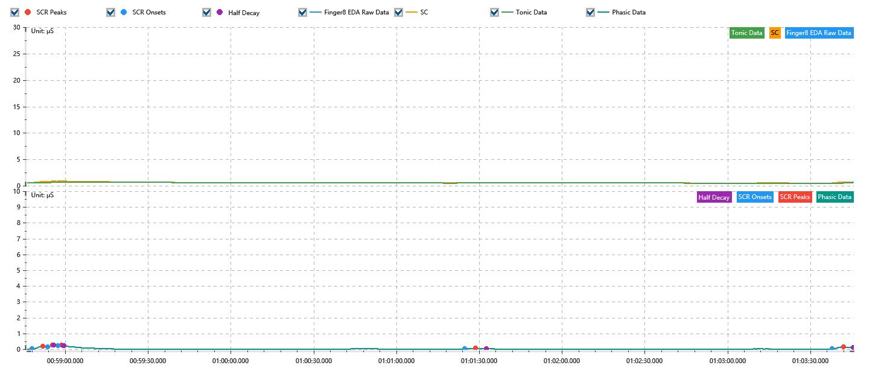

Process parameters
 | Filters
 | Smooth denoise | Enabled | 高斯 | 5(samples)
 | Lowpass filter | Enabled | 5μS
 | Skin Conductance Response
 | SCR extraction | Minimum SCR amplitude | 0.03μS
 | SCR extraction | Max rise time | 4s
 | SCR extraction | Max half decay time | 4s
 | SCR extraction | Peak dection sensitivity | 中
 | Event related activation | Window relative to event | 1s | 4s

Time Domain
 | Data | Mean | Max | Min | Std | Variance | Polar Distance | Data Length
 | SC | 0.58μS | 0.9μS | 0.49μS | 0.09μS | 0.01μS² | 0.4μS | 1200
 | Tonic | 0.55μS | 0.72μS | 0.49μS | 0.06μS | 0μS² | 0.23μS | 1200
 | Phasic | 0.02μS | 0.24μS | 0μS | 0.04μS | 0μS² | 0.24μS | 1200

SCR
 | OnsetTime | PeakTime | RiseTime | HalfDecayTime | Amp
 | 0.04083369213 | 0.040879988426 | 4s | 3.75s | 0.17μS
 | 0.040900243056 | 0.040920497685 | 1.75s | 3.75s | 0.09μS
 | 0.040940752315 | 0.040958113426 | 1.5s | 0.75s | 0.03μS
 | 0.042647928241 | 0.042694224537 | 4s | 3.75s | 0.05μS
 | 0.044190173611 | 0.044236469907 | 4s | 3.5s | 0.13μS

Event Related
 | Event Group | Event Name | Event Description | EventTime | SCRCount | Latency | AmpSum | SCL | Half Decay Time Avg. | Rise Decay Time Avg.
 | Custom | 后静息态采集开始 |  | 0.040810416667 | 1 | 2.01s | 0.17μS | 0.58μS | 3.75s | 4s

